Title Page RI Strat Plan
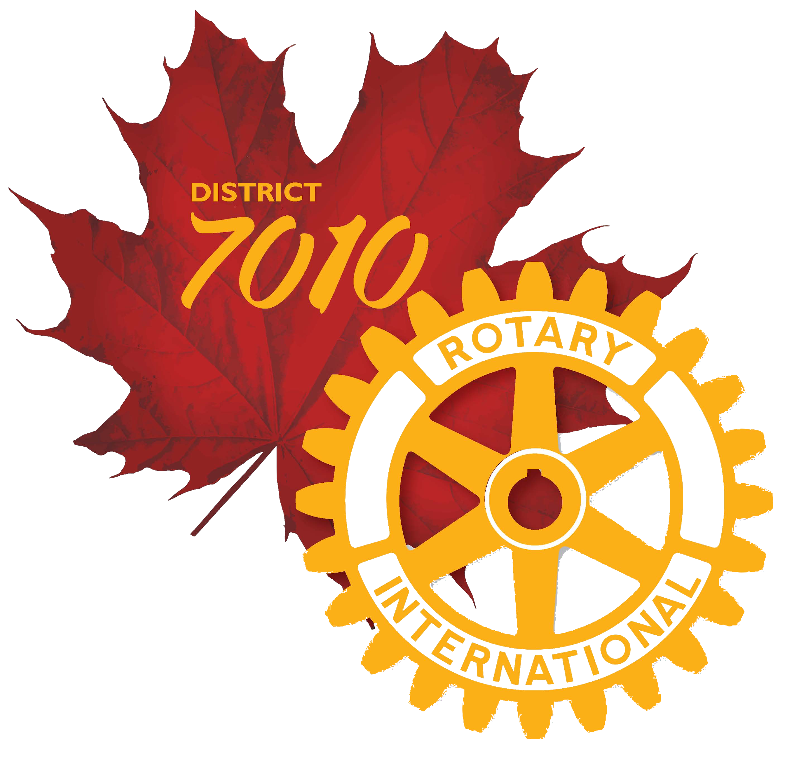 I

District 7010
ACTION PLAN
2023 - 2024

District 7010 Action Plan 2023-2024

ROTARY INTERNATIONAL ACTION PLAN
THE BASE FOR THE DISTRICT 7010 ACTION PLAN
Rotary's Action Plan sets the framework for our future, ensuring that we continue to be known as a respected, dynamic organization that advances communities worldwide.
As we stand on the cusp of eliminating polio, it’s time for us to create a new path toward bringing more people together, increasing our impact and creating even more lasting change around the world.
Rotary leadership has developed a new strategic plan that will help guide our organization from Rotary year 2019-2020 and the following four years.
Our Vision
"Together, we see a world where people unite and take action to create lasting change — across the globe, in our communities, and in ourselves."
Our Mission
We provide service to others, promote integrity, and advance world understanding, goodwill, and peace through our fellowship of business, professional, and community leaders.
Our Priorities
To achieve the vision of Rotary International and The Rotary Foundation, Rotary's Board of Directors and Trustees have set four key priorities and related objectives to serve as the foundation that will direct our work over the next five years. They are:

Increase our impact
Rotary strives to change the lives of others for the better. Our members invest volunteer and financial resources in a broad range of service activities, but we will do a better job of measuring the results and outcomes of our work. So that Rotary can continue to attract members, partners, and donors, we'll focus our programs and produce evidence of lasting impact.
Related objectives:
Eradicate polio. Highlight Rotary’s role, and everage the legacy.
Increase the overall number of clubs and individual Rotary members giving to the Rotary Foundation, Annual Fund & Polio
Focus our programs and offerings.
Improve our ability to achieve and measure impact.
Expand our reach
People are seeking ways to make a difference in the world and connect with others. How do we help them find what they're looking for in Rotary? By creating unique opportunities for more people and organizations to get involved. Clubs will always be important. But to extend our global reach, we'll expand our current structure with innovative models that welcome more participants into Rotary and give them meaningful ways to unite and take action.
Related objectives:
Establish and nurture new, innovative clubs and participant engagement channels
Strengthen existing and develop new partnerships to elevate Rotary’s global profile
Raise awareness and understanding of Rotary and Rotary members as people of action
Enhance participant engagement
Because we recognize the challenges our clubs face in today's changing world, Rotary will support our clubs' efforts to deliver an experience that engages and retains members. When we help clubs focus on the experience and value they give their members, we give Rotarians and other participants the opportunity to serve together, connect with one another, and have a more satisfying experience with Rotary.
Related objectives:
Enhance member engagement tools that support Rotary’s core values through personal growth, leadership development, service and networking opportunities.
Reduce the number of new members leaving within their first year of membership
Increase collaboration among participants particularly Rotary and Rotaract Clubs
Further Rotary’s commitment to diversity, equity and inclusion within our clubs, our leadership and throughout the family of Rotary.
Increase our ability to adapt
To achieve our vision and keep pace with changing global trends, our structure and culture must evolve. We'll ensure that our operating and governance structures are efficient, flexible, and effective in delivering services to all of our participants.
Related objectives:
. Review Rotary’s programs and offerings to ensure their relevance and effectiveness.
Support and encourage the use of virtual connectivity to optimize in-person meetings, training and fundraising,service projects
Continue to review Rotary’s service delivery and volunteer leadership structure to improve effectiveness, responsibility and accountability

 | District 7010 Action Plan 2023-2024

District Action Plan Vision...
District 7010 Action Plan
District 7010 has developed an action plan to build on and support the RI vision, priorities and objectives. This is a ‘living’, working document and will be updated on an ongoing basis through out the Rotary Year.
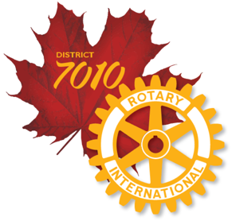 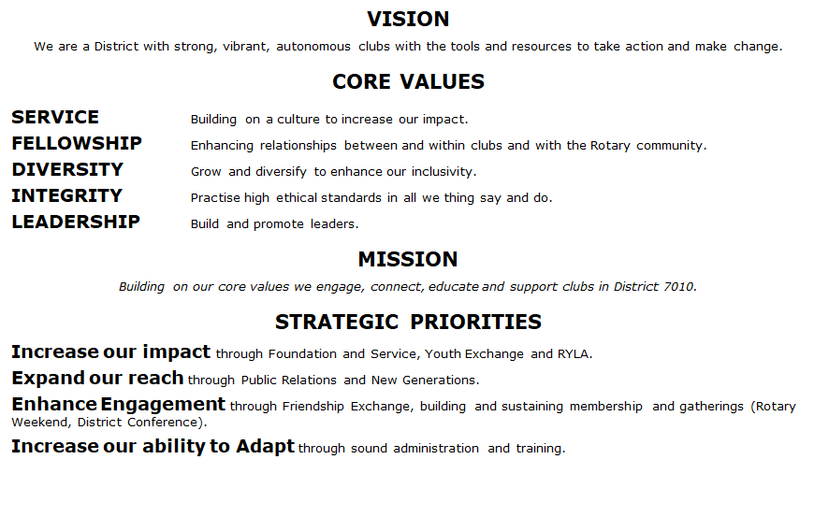

VISION
We are a District with strong, vibrant, autonomous clubs with the tools and resources to take action and make change.
CORE VALUES
SERVICE Building on a culture to increase our impact.
FELLOWSHIP Enhancing relationships between and within clubs and with the Rotary community.
DIVERSITY Grow and diversify to enhance our inclusivity.
INTEGRITY Practise high ethical standards in all we thing say and do.
LEADERSHIP Build and promote leaders.
MISSION
Building on our core values we engage, connect, educate and support clubs in District 7010.
STRATEGIC PRIORITIES
Increase our impact through Foundation and Service, Youth Exchange and RYLA.
Expand our reach through Public Relations and New Generations.
Enhance Engagement through Friendship Exchange, building and sustaining membership and gatherings (Rotary Weekend, District Conference).
Increase our ability to Adapt through sound administration and training.

